Sheet1
 | Employee Name: |  | Caleb Akingunsola
 | Department: |  | RESEARCH AND DEVELOPMENT
 | Location: |  | Lagos
 | Purposes: |  | BSS PRODUCT DEVELOPMENT

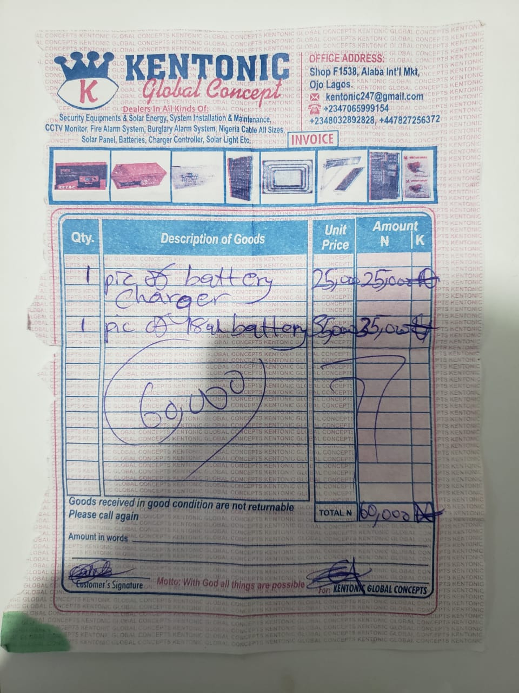
 | DATE
 | 7-Mar-25

 |  | COMPONENTS BOUGHT | FOR SWITCHING CIRCUIT

S/N | ITEM DESCRIPTION | QUANTITY | UNIT COST(#) IN NIARA | TOTAL COST(#) IN NAIRA
1 | 10k/0.25w resistor | 18 | 50 | 900
2 | 1k/0.25w resistor | 5 | 50 | 250
3 | 1000uf/25v capacitor | 2 | 500 | 1000
4 | 100uf/25v capacitor | 2 | 250 | 500
5 | bridge diode 1kv/1A | 1 | 500 | 500
6 | pc817 optocoupler | 2 | 300 | 600
7 | LM358 differential amplifier | 1 | 500 | 500
8 | ic socket 8pins | 1 | 100 | 100
9 | ic socket 28pins | 1 | 200 | 200
10 | lm7805 voltage regulator | 1 | 300 | 300
11 | 1n4148 recovery diode | 8 | 150 | 1200
12 | 1n4007 general purpose rectifier | 4 | 150 | 600
13 | 10A relay 12v | 1 | 800 | 800
14 | 40A relay 12v | 2 | 1500 | 3000
15 | 100k/0.25w resistor | 6 | 50 | 300
16 | 2.2k/0.25w resistor | 6 | 50 | 300
17 | 100nf capacitor | 7 | 200 | 1400
18 | 224nf capacitor | 2 | 200 | 400
19 | 22pf capacitor | 2 | 200 | 400
20 | 16mhz crsystal | 1 | 300 | 300
21 | 3.3k/0.25w resistor | 1 | 50 | 50
22 | bc547 npn transistor | 3 | 300 | 900
23 | 22k/0.25w resistor | 4 | 50 | 200
24 | ZMT103C AC current sensor 10A | 1 | 3000 | 3000
25 | TERMINAL BLOCK CONNECTOR | 4 | 200 | 800
26 | 220K/2W resistor | 1 | 200 | 200
27 | 4.7R/2w resistor | 1 | 200 | 200
28 | 2 pin connector | 1 | 200 | 200
29 | 3 pin connector | 2 | 300 | 600
30 | 5 pin connector | 1 | 500 | 500
31 | Soldering lead | 1 | 5000 | 5000
32 | pcb chemical | 1 | 5000 | 5000
33 | pcb copper clad | 1 | 5000 | 5000
34 | Atmega328p | 1 | 6000 | 6000
35 | Transportation | 1 | 1100 | 1100
 |  |  |  | 42300

 |  |  |  | ADVANCE AMOUNT | 102,300

 |  |  |  | BALANCE(Refund/Pay) | 0

